Impovments_Suggesstions
# | Screen shot | Comments
1 |  | need to be a hyplink view (blue text)

2 |  | need a regional code to enter landline number

3 |  | mobile number should not erase if entered wrong number/invaild number just like email id

4 |  | aadhar should be mandatory

5 |  | reference number is getting erasedif we enter wrong it can stay there

6 |  | for area and road name
 |  | dropdown option need to be made searchable
 |  | popluate based on pincode + string in the searchbox

7 |  | smaill "o" in "No"

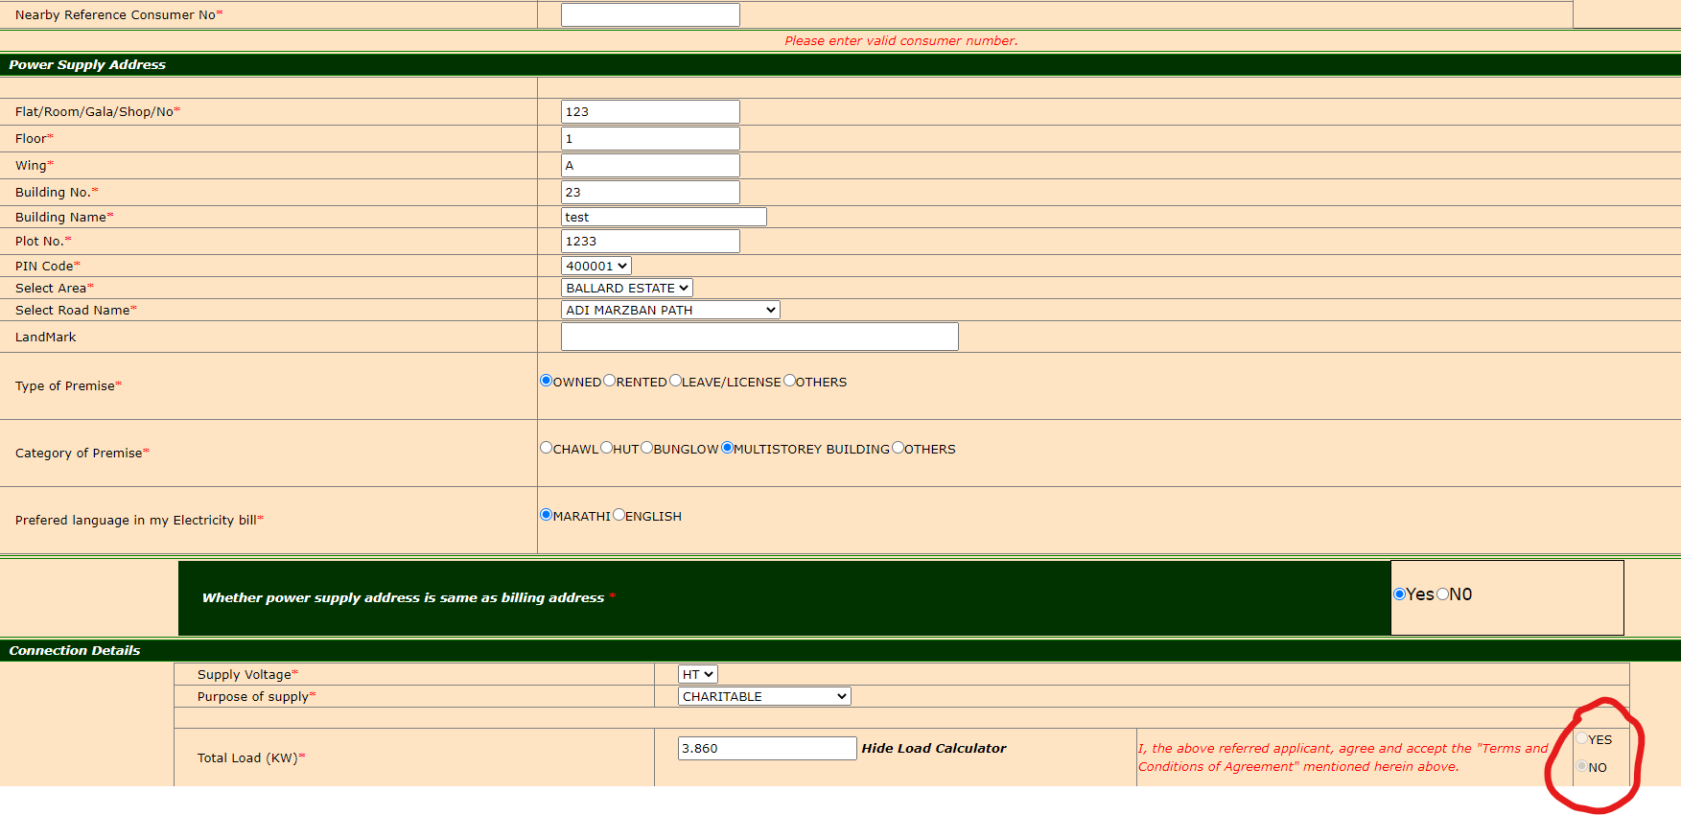
8 |  | the terms and conditions radio button are greyed out may be due to not entering the valid reference number - I could not find one

9 |  | file size 20KB - isnt this too small to have a visible clarity??

10 |  | should be mandatory in order to process the request??

11 |  | inverter spelling is wrong

12 |  | not working in solar option

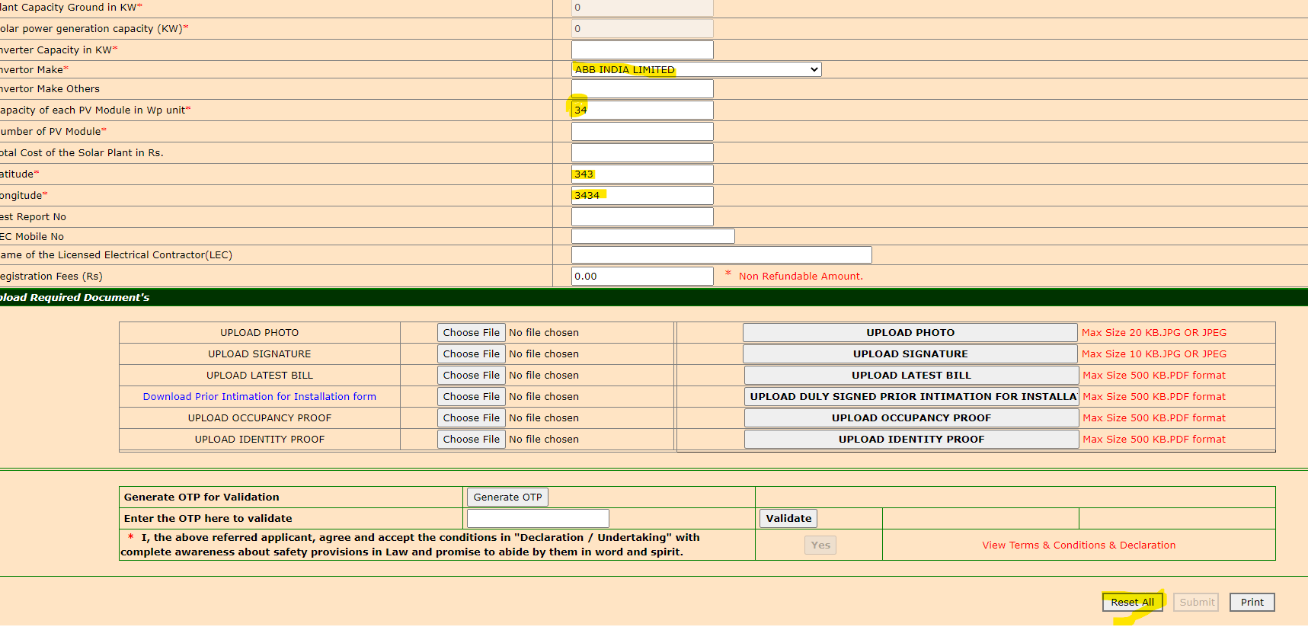
13
 |  | reset button not lcearing the entered details


14 |  | too much balck space at the bottom

